Sheet1
RoboRIO Location Layout

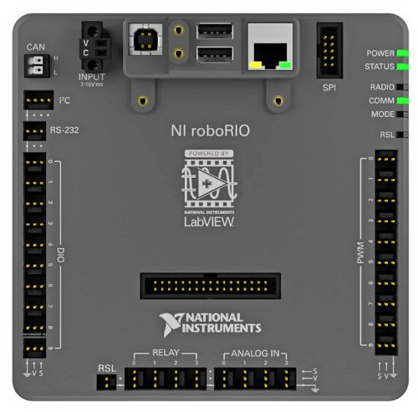
Information
Use this layout to label what pins are occupied by the component
 |  |  |  |  |  | SPI

I2C

RS-232

Digital In/Out | Pressure Plate - Switch |  |  |  | Robot Drive - Front Right | PWM
 |  |  |  |  | Robot Drive - Front Left
 |  |  |  |  | Robot Drive - Back Right
 |  |  |  |  | Robot Drive - Back Left
 |  |  |  |  | Intake Motor - Spark

Notes
 |  | Signal Light | Gear Light - Spike

 |  |  | Relay Out | Analog In

